Currency converter
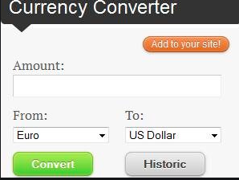
TestCase ID | Assumption | Testcase criteria | Testcase steps | Expected result | Actual result | Testcase result
TC_001 | User is assessing the currency converter tool | Labels/colour coding and fonts are as per the requirements | 1. Open the currency converter tool. 2. Check for the controls | The controls shloud be as per the requirements. | The controls are per the requirements. | PASS
TC_002 | User is assessing the currency converter tool | Amount input only accepts the numeric values | 1. Open the currency converter tool. 2. Enter the values other than numeric values. | The amount field should not accept the values other than numbers. | The amount field is not accepting the values other than numbers. | PASS
TC_003 | User is assessing the currency converter tool | Check whether the From and Dropdown are prepopulated with currencies as needed in the specification document. | 1. Open the currency converter tool. 2. Select/open the dropdown for the "from and to". | The values should be populated un the dropdowns are as per the user specification. | The values are populated in the dropdowns are as per the user specification. | PASS
TC_004 | User is assessing the currency converter tool | Check whether the add to the site button works as per the expectation. | 1. Open the converter currency tool 2. Click on the site button | Click on the add to the side button should help the user add this particular tool onto the website | Click onto the add to the site button is helping user add this pqrticular tool onto the website. | PASS
TC_005 | User is assessing the currency converter tool | Check whether the convert button convert the currency in the From to the correct value of To | 1. Open the converter currency tool 2. Enter the amount in the amount field 3. Select the From and To. 4. Click on the convert button | The amount should be converted properly, | The amount is converted properly | PASS
TC_006 | User is assessing the currency converter tool | Check if the historic button shows the previous history of conversions | 1. Open the currency converter tool. 2.Click on historic | Click on the historic button should show the previous history of conversions. | Click onto the historic button is showing the previous history of conversions. | PASS

School admission form
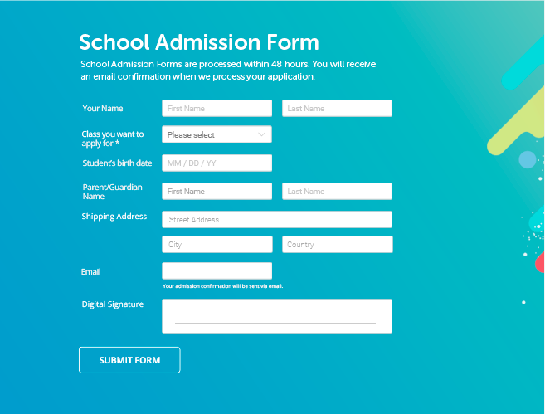
TestCase ID | Assumption | Testcase criteria | Testcase steps | Expected result | Actual result | Testcase result
TC_00+B5:H191 | User is on the school admission form screen | Check if the font, font style, colour, background, logo, images are as per the requirement. | 1. Open the school admission form. 2. Check for font, font style, colour, background, logo, images. | The font, font style, colour, background, logo, images should be as per the requirement. | The font, font style, colour, background, logo, images are as per the requirement. | PASS
TC_002 | User is on the school admission form screen | Check if the first name, last name are taking only alphabet values | 1. Open the school admission form. 2. Enter numeric or special characters int the text field. | The system should give me an error
TC_003 | User is on the school admission form screen | Check if the dorpdown has the classes client has asked for. | 1. Open the school admission for. 2. Open the dropdown/Combobox/Select Box. 3. Check the values in the dropdown. | Rhe values in the dropdown are as per the requirement document.
TC_004 | User is on the school admission form screen
TC_005 | User is on the school admission form screen
TC_006 | User is on the school admission form screen
TC_007 | User is on the school admission form screen

Mobile Sign up
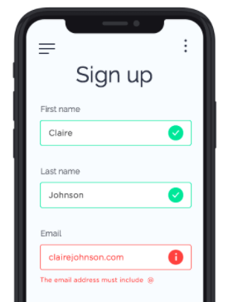
TestCase ID | Assumption | Testcase criteria | Testcase steps | Expected result | Actual result | Testcase result
TC_001 | The mobile app is available for the user to test | Check if the controls and labels are as per the user specifications | 1. Launch the mobile application. 2. Check for the controls | The controls should be as per the user specification (The font, the font style, colors, background, logo, text.). | The controls are as per the user specification | PASS
TC_002 | The mobile app is available for the user to test | Check if the first name accept only alphabet | 1. Launch the mobile application. 2. Enter the values other than alphabets in the first name | The user should be alerted to provide proper values in the first name. | The user is alerted in case the value other than alphabet is added | PASS
TC_003 | The mobile app is available for the user to test | Check if the last name accept only alphabet | 1. Launch the mobile application. 2. Enter the values other than alphabets in the last name | The last name should not allow values other than alphabets | The last name does not allow values other than alphabets | PASS
TC_004 | The mobile app is available for the user to test | Check if the email field accepts values without @ and . | 1. Lauch the mobile app. 2. Enter the email address without @ or . | The system should alert the user to provide a proper email ID | Works as expected | PASS
TC_005 | The mobile app is available for the user to test | Check if on the click of 3 bar, opens the correct screen as per the specification | 1. Lauch the mobile app. 2. Click on the 3 bar on the left | The system should open the appropriate screen on the click of the 3 bar |  | DEFFERRED
TC_006 | The mobile app is available for the user to test | Check if on the click of 3 dots, opens the correct screen as per the specification | 1. Lauch the mobile app. 2. Click on the 3 dots on the left | The system should open the appropriate screen on the click of the 3 dots |  | DEFFERRED

Mobile Taxi Booking
 |  |  |  |  |  |  | Test on a wireframe
TestCase ID | Assumption | Testcase criteria | Testcase steps | Expected result | Actual result | Testcase result
TC_001 | Taxi booking screen is available to test | The font, colour, font style, logo, text, background is as per the user specification | 1. Lauch the app. 2. Check for the controls/fileds on the mobile app | The controls should be as per the user specification
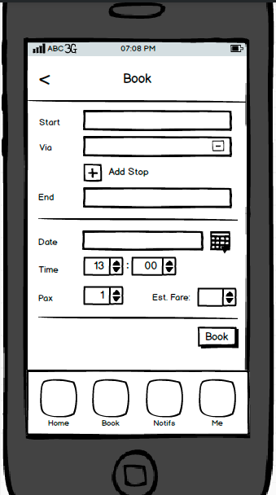
TC_002 | Taxi booking screen is available to test | Check if the start, via, end location is suggested to the end user through google app | 1. Lauch the app. 2. Start writing a location in the start, via and end text field | The location should be suggested to the end user
TC_003 | Taxi booking screen is available to test | Check if the click on add stop gives the user another text filed to enter the location | 1. Launch the app. 2. Click on Add Stop button | The user should be given an option to add the location of the halt/stop
TC_004 | Taxi booking screen is available to test | Check if the click of calendar button helps user to select the date | 1. Launch the app. 2. Click on the calendar icon | User should be able to select the date and populate in the date field
TC_005 | Taxi booking screen is available to test | Check if the user is able to select the correct time from the time field | 1. Launch the app. 2. Click on the select control | User should be able to select time in hours and minutes
TC_006 | Taxi booking screen is available to test | Check if the can see the correct value for the estimated fare | 1. Launch the app. 2. Check for the field estimated fare | User should be able see the estimated fare in this field
TC_007 | Taxi booking screen is available to test | Check if the user is able to book the taxi after clicking on the book button | 1. Launch the app. 2. Enter all the mandatory fields. 3. Click on the book button | The User should get the notification that the taxi is booked/or not booked (And the reason).
TC_008 | Taxi booking screen is available to test

Desktop application testcase
 |  |  |  |  |  |  | Test OF a desktop based application

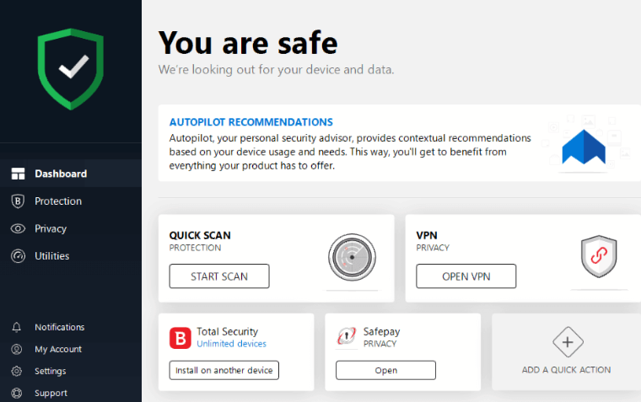
TestCase ID | Assumption | Testcase criteria | Testcase steps | Expected result | Actual result | Testcase result
TC_001 | Antivirus software is available for user to test | Check if the controls on the screen are as per the user specification | 1. Launch the antivirus software. 2. Check on the antiviurs software controls | The logo, images, font, font style, colour, background are as per the user specification.
TC_002 | Antivirus software is available for user to test | Check if the dashboard is accessible if the dashboard link is clicked | 1. Launch the antivirus software. 2.Click on the Dashboard | The Dashboard should be accessible by the end user
TC_003 | Antivirus software is available for user to test | Check if the Protection is accessible if the Protection link is clicked | 1. Launch the antivirus software. 2.Click on the Protection | The protection page should open for the end user
TC_004 | Antivirus software is available for user to test | Check if the privacy is accessible if the privacy link is clicked | 1. Launch the antivirus software. 2.Click on the privacy link | The privacy page should open for the end user
TC_005 | Antivirus software is available for user to test | Check if the utilities is accessible if the utilities link is clicked | 1. Launch the antivirus software. 2.Click on the utilities link | The utilities page should open for the end user
TC_006 | Antivirus software is available for user to test | Check if the notifications is accessible if the notifications link is clicked | 1. Launch the antivirus software. 2.Click on the notifications link | The notifications page should open for the end user
TC_007 | Antivirus software is available for user to test | Check if the My account is accessible if the My account link is clicked | 1. Launch the antivirus software. 2.Click on the My account link | The My account page should open for the end user
TC_008 | Antivirus software is available for user to test | Check if the setteings is accessible if the settings link is clicked | 1. Launch the antivirus software. 2.Click on the settings link | The settings page should open for the end user
TC_009 | Antivirus software is available for user to test | Check if the support is accessible if the settings link is clicked | 1. Launch the antivirus software. 2.Click on the support link | The support page should open for the end user
TC_010 | Antivirus software is available for user to test | Check is the START SCAN button is operational | 1. Launch The antivirus software. 2. Click onto the START SCAN button | The START SCAN button should start a quick scan on the application
TC_011 | Antivirus software is available for user to test | Check if the OPEN VPN is working as the designed result | 1. Launch the antivirus software, 2. Click on the OPEN VPN button | The OPEN VPN button help the user access the vpn page
TC_012 | Antivirus software is available for user to test | Check if the install on another device works as per the exected result | 1. Launch antivirus software. 2. Click on the install on another page button | The install on another page button should help user to open the page for install on another device.
TC_013 | Antivirus software is available for user to test | Check if the Safepay privacy Open button is operational | 1. Launch antivirus software. 2. Click on the Safepay privacy open button | The open button should navigate the user to the desired result.
TC_014 | Antivirus software is available for user to test | Check if the add a quick action button works as per the desired result | 1. Launch antivirus software. 2. Click on the "Add a quick action " button | The add a quick button should navigate the user to the desired page.

